Results
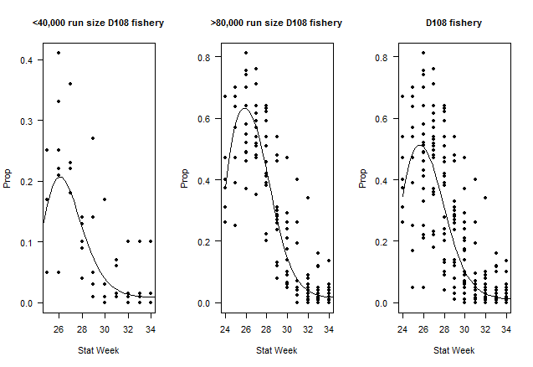
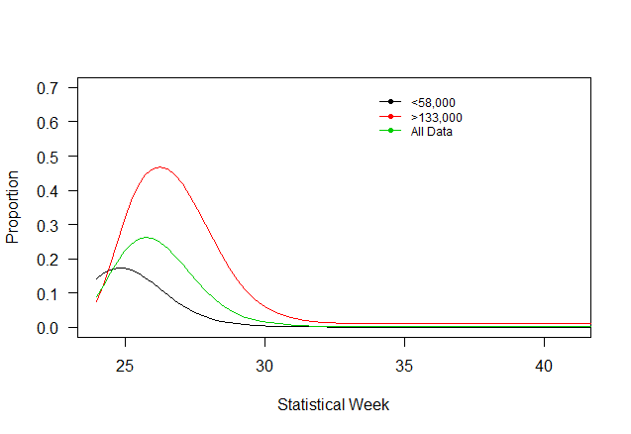
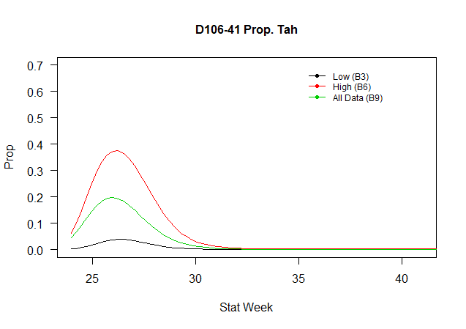
Table 1: District 106-41 Tahltan Proportion of Catch
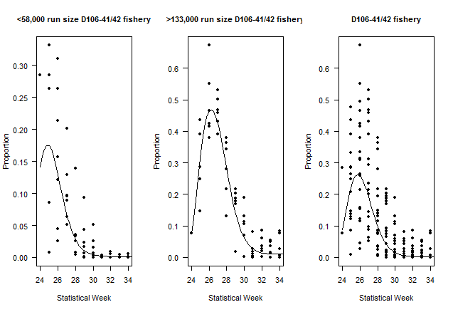
Data (Fishing District, Trigger Run Size) | Model | Description | Parameters (p) | Datapoints (n) | AICc | ΔAICc | adj. R2
D106-41 <58,000 | B1 | Linear | 2 | 69 | 233 | 3 | 0.69
D106-41 <58,000 | B2 | Polynomial (2) | 3 | 69 | 234 | 4 | 0.69
D106-41 <58,000 | B3 | Polynomial (3) | 4 | 69 | 230 | 0 | 0.71
D106-41 >133,000 | B4 | Linear | 2 | 60 | 216 | 11 | 0.54
D106-41 >133,000 | B5 | Polynomial (2) | 3 | 60 | 214 | 9 | 0.56
D106-41 >133,000 | B6 | Polynomial (3) | 4 | 60 | 205 | 0 | 0.63
D106-41 | B7 | Linear | 2 | 188 | 721 | 12 | 0.57
D106-41 | B8 | Polynomial (2) | 3 | 188 | 721 | 12 | 0.57
D106-41 | B9 | Polynomial (3) | 4 | 188 | 709 | 0 | 0.60

